Cover
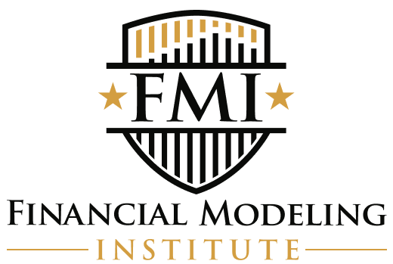
 | FINANCIAL MODELING INSTITUTE

 | FOUNDATIONS IN FINANCIAL MODELING

Grand Crew Cycling Company
2025-10-04

FMI Foundations
Financial Model Solution - Vertical Orientation

This model has been designed to demonstrate the concepts required to build a best-in-class financial model of a company.
This model also provides an indication for what AFM candidates need to build from scratch on the AFM exam.

